Further Info
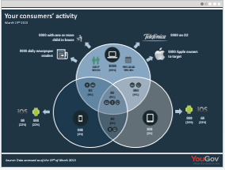
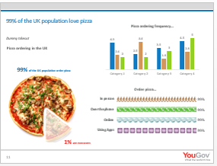
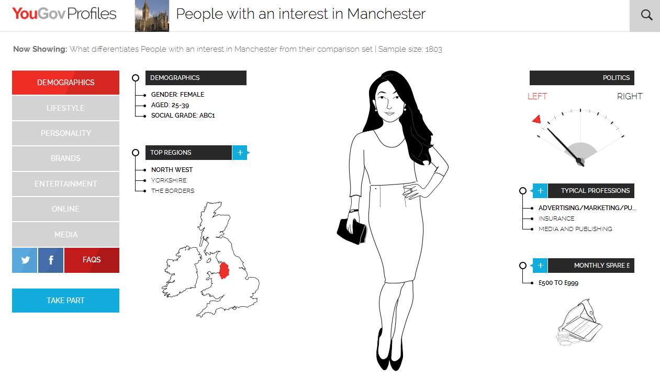
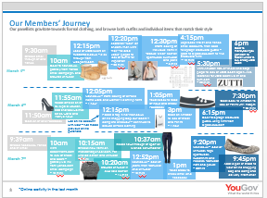
YouGov Omnibus offers a range of specialist services alongside our daily GB Omnibus survey. To find out more, call 020 7012 6231, visit yougov.co.uk/find-solutions/omnibus or click any of the links below to find out more about some of our most popular services:

 | GB & UK Omnibus
 | International Omnibus
 | Business Omnibus
 | Children’s Omnibus
 | Scotland, Wales and Northern Ireland Omnibus
 | London Omnibus and CityBus
 | Targeted, Field & Tab Surveys
YouGov has dedicated teams of sector specialists who are supported by skilled quantitative analysts and qualitative consultants. |  | Profiles is our segmentation and media planning product for agencies and brands.
Each team combines research expertise with in-depth sector knowledge to help clients to identify, analyse and understand their markets, offering actionable insight that adds competitive business advantage. |  | This product is powered by data collected in the YouGov Cube – our connected data vault which holds over 241,000 data points, collected from over 330,000 UK YouGov members.
Click here for more information about the sectors we offer expertise in, |  | Use YouGov Profiles to get the profile of your target audience across multi-
or contact the Custom team. |  | channel data sets with greater granularity and accuracy than ever before.
 |  | Click here to find out more information.

